State Transition
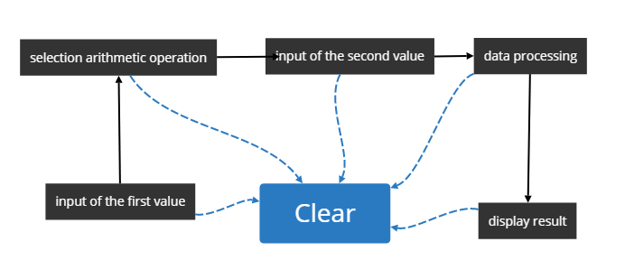
ID | Summary | Description | Expected result | Actual Result | Priority | Severity | Pass/Fail/Not executed/Suspended | Created by | Reviwed by | Test Data

